Calibration Curves
Calibration Curves in Calibration Units
 |  |  |  |  | Cor. Coef:
 | Ca 317.933 |  | Equ: Linear Calculated Intercept |  | 0.999691
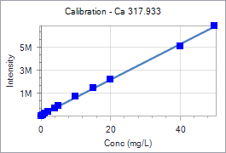
 | Sample Id | Corrected Intensity | Entered Conc. | Calculated Cal Unit Conc. | % Residual Error
 | Calib Blank 1 | 0.0 | 0.000 | -0.379 | N/A
 | Calib Std 1 | 89553.5 | 0.500 | 0.200 | -60.09
 | Calib Std 2 | 198012.8 | 1.000 | 0.901 | -9.95
 | Calib Std 3 | 351144.2 | 2.000 | 1.890 | -5.49
 | Calib Std 4 | 684037.6 | 4.000 | 4.042 | 1.05
 | Calib Std 5 | 863122.6 | 5.000 | 5.199 | 3.99
 | Calib Std 6 | 1668156.1 | 10.000 | 10.403 | 4.03
 | Calib Std 7 | 2444711.7 | 15.000 | 15.422 | 2.81
 | Calib Std 8 | 3212584.0 | 20.000 | 20.385 | 1.92
 | Calib Std 9 | 6103348.6 | 40.000 | 39.068 | -2.33
 | Calib Std 10 | 7851988.4 | 50.000 | 50.370 | 0.74

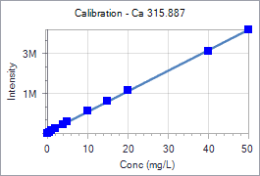
 |  |  |  |  | Cor. Coef:
 | Ca 315.887 |  | Equ: Linear Calculated Intercept |  | 0.999818
 | Sample Id | Corrected Intensity | Entered Conc. | Calculated Cal Unit Conc. | % Residual Error
 | Calib Blank 1 | 0.0 | 0.000 | -0.368 | N/A
 | Calib Std 1 | 57903.7 | 0.500 | 0.194 | -61.11
 | Calib Std 2 | 129008.3 | 1.000 | 0.885 | -11.49
 | Calib Std 3 | 229817.1 | 2.000 | 1.864 | -6.79
 | Calib Std 4 | 449623.4 | 4.000 | 3.999 | -0.03
 | Calib Std 5 | 568833.1 | 5.000 | 5.157 | 3.14
 | Calib Std 6 | 1107363.3 | 10.000 | 10.387 | 3.87
 | Calib Std 7 | 1630090.7 | 15.000 | 15.464 | 3.09
 | Calib Std 8 | 2137900.8 | 20.000 | 20.396 | 1.98
 | Calib Std 9 | 4105460.6 | 40.000 | 39.506 | -1.24
 | Calib Std 10 | 5187588.3 | 50.000 | 50.016 | 0.03

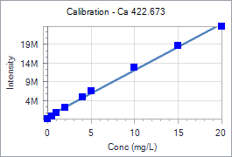
 |  |  |  |  | Cor. Coef:
 | Ca 422.673 |  | Equ: Linear Calculated Intercept |  | 0.998230
 | Sample Id | Corrected Intensity | Entered Conc. | Calculated Cal Unit Conc. | % Residual Error
 | Calib Blank 1 | 0.0 | 0.000 | -0.474 | N/A
 | Calib Std 1 | 771857.5 | 0.500 | 0.145 | -71.04
 | Calib Std 2 | 1711892.2 | 1.000 | 0.899 | -10.11
 | Calib Std 3 | 3070226.1 | 2.000 | 1.989 | -0.57
 | Calib Std 4 | 5946814.1 | 4.000 | 4.296 | 7.40
 | Calib Std 5 | 7381912.9 | 5.000 | 5.447 | 8.95
 | Calib Std 6 | 13816445.3 | 10.000 | 10.609 | 6.09
 | Calib Std 7 | 19539798.3 | 15.000 | 15.200 | 1.34
 | Calib Std 8 | 24761291.2 | 20.000 | 19.389 | -3.05

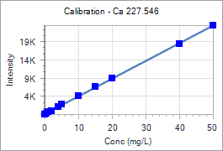
 |  |  |  |  | Cor. Coef:
 | Ca 227.546 |  | Equ: Linear Calculated Intercept |  | 0.999859
 | Sample Id | Corrected Intensity | Entered Conc. | Calculated Cal Unit Conc. | % Residual Error
 | Calib Blank 1 | 0.0 | 0.000 | -0.260 | N/A
 | Calib Std 1 | 220.2 | 0.500 | 0.195 | -60.95
 | Calib Std 2 | 585.8 | 1.000 | 0.950 | -4.99
 | Calib Std 3 | 1020.9 | 2.000 | 1.849 | -7.56
 | Calib Std 4 | 2057.4 | 4.000 | 3.989 | -0.27
 | Calib Std 5 | 2653.3 | 5.000 | 5.220 | 4.40
 | Calib Std 6 | 5117.6 | 10.000 | 10.309 | 3.09
 | Calib Std 7 | 7539.2 | 15.000 | 15.310 | 2.07
 | Calib Std 8 | 9975.2 | 20.000 | 20.341 | 1.71
 | Calib Std 9 | 19245.6 | 40.000 | 39.487 | -1.28
 | Calib Std 10 | 24388.6 | 50.000 | 50.108 | 0.22

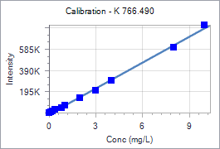
 |  |  |  |  | Cor. Coef:
 | K 766.490 |  | Equ: Linear Calculated Intercept |  | 0.998578
 | Sample Id | Corrected Intensity | Entered Conc. | Calculated Cal Unit Conc. | % Residual Error
 | Calib Blank 1 | 0.0 | 0.000 | 0.146 | N/A
 | Calib Std 1 | 4945.1 | 0.100 | 0.207 | 107.32
 | Calib Std 2 | 12341.0 | 0.200 | 0.299 | 49.33
 | Calib Std 3 | 27732.5 | 0.400 | 0.489 | 22.19
 | Calib Std 4 | 50614.7 | 0.800 | 0.771 | -3.58
 | Calib Std 5 | 67553.6 | 1.000 | 0.981 | -1.94
 | Calib Std 6 | 140115.1 | 2.000 | 1.877 | -6.16
 | Calib Std 7 | 211124.6 | 3.000 | 2.754 | -8.21
 | Calib Std 8 | 302926.8 | 4.000 | 3.888 | -2.81
 | Calib Std 9 | 614854.1 | 8.000 | 7.740 | -3.25
 | Calib Std 10 | 826128.2 | 10.000 | 10.349 | 3.49

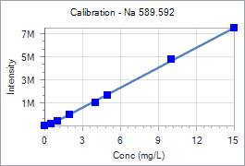
 |  |  |  |  | Cor. Coef:
 | Na 589.592 |  | Equ: Linear Calculated Intercept |  | 0.999394
 | Sample Id | Corrected Intensity | Entered Conc. | Calculated Cal Unit Conc. | % Residual Error
 | Calib Blank 1 | 0.0 | 0.000 | 0.262 | N/A
 | Calib Std 1 | 165845.3 | 0.500 | 0.550 | 9.98
 | Calib Std 2 | 408995.9 | 1.000 | 0.972 | -2.79
 | Calib Std 3 | 951574.6 | 2.000 | 1.914 | -4.30
 | Calib Std 4 | 1986627.1 | 4.000 | 3.711 | -7.22
 | Calib Std 5 | 2660674.5 | 5.000 | 4.881 | -2.37
 | Calib Std 6 | 5748988.2 | 10.000 | 10.244 | 2.44
 | Calib Std 7 | 8468856.7 | 15.000 | 14.966 | -0.23

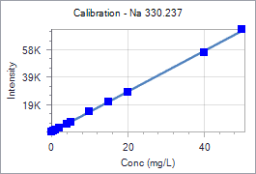
 |  |  |  |  | Cor. Coef:
 | Na 330.237 |  | Equ: Linear Calculated Intercept |  | 0.999814
 | Sample Id | Corrected Intensity | Entered Conc. | Calculated Cal Unit Conc. | % Residual Error
 | Calib Blank 1 | 0.0 | 0.000 | 0.137 | N/A
 | Calib Std 1 | 711.8 | 0.500 | 0.618 | 23.67
 | Calib Std 2 | 1437.2 | 1.000 | 1.109 | 10.86
 | Calib Std 3 | 2917.4 | 2.000 | 2.109 | 5.45
 | Calib Std 4 | 5745.2 | 4.000 | 4.020 | 0.50
 | Calib Std 5 | 7258.3 | 5.000 | 5.043 | 0.85
 | Calib Std 6 | 14571.4 | 10.000 | 9.985 | -0.15
 | Calib Std 7 | 21582.8 | 15.000 | 14.723 | -1.85
 | Calib Std 8 | 28908.1 | 20.000 | 19.674 | -1.63
 | Calib Std 9 | 58092.3 | 40.000 | 39.397 | -1.51
 | Calib Std 10 | 74796.1 | 50.000 | 50.685 | 1.37

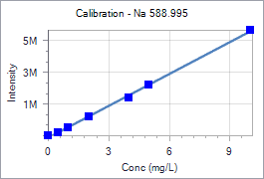
 |  |  |  |  | Cor. Coef:
 | Na 588.995 |  | Equ: Linear Calculated Intercept |  | 0.999259
 | Sample Id | Corrected Intensity | Entered Conc. | Calculated Cal Unit Conc. | % Residual Error
 | Calib Blank 1 | 0.0 | 0.000 | 0.201 | N/A
 | Calib Std 1 | 212859.8 | 0.500 | 0.518 | 3.59
 | Calib Std 2 | 513075.6 | 1.000 | 0.965 | -3.46
 | Calib Std 3 | 1182347.3 | 2.000 | 1.963 | -1.85
 | Calib Std 4 | 2400135.5 | 4.000 | 3.778 | -5.55
 | Calib Std 5 | 3187923.6 | 5.000 | 4.952 | -0.95
 | Calib Std 6 | 6656681.1 | 10.000 | 10.123 | 1.23

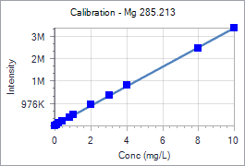
 |  |  |  |  | Cor. Coef:
 | Mg 285.213 |  | Equ: Linear Calculated Intercept |  | 0.999836
 | Sample Id | Corrected Intensity | Entered Conc. | Calculated Cal Unit Conc. | % Residual Error
 | Calib Blank 1 | 0.0 | 0.000 | -0.075 | N/A
 | Calib Std 1 | 49953.0 | 0.100 | 0.040 | -59.70
 | Calib Std 2 | 108764.3 | 0.200 | 0.176 | -11.88
 | Calib Std 3 | 196215.8 | 0.400 | 0.378 | -5.41
 | Calib Std 4 | 379911.3 | 0.800 | 0.803 | 0.37
 | Calib Std 5 | 476086.9 | 1.000 | 1.025 | 2.53
 | Calib Std 6 | 930162.0 | 2.000 | 2.075 | 3.74
 | Calib Std 7 | 1368462.2 | 3.000 | 3.088 | 2.93
 | Calib Std 8 | 1798041.7 | 4.000 | 4.081 | 2.02
 | Calib Std 9 | 3456809.3 | 8.000 | 7.915 | -1.06
 | Calib Std 10 | 4356144.2 | 10.000 | 9.994 | -0.06

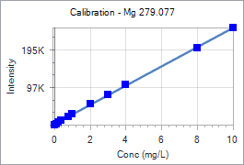
 |  |  |  |  | Cor. Coef:
 | Mg 279.077 |  | Equ: Linear Calculated Intercept |  | 0.999768
 | Sample Id | Corrected Intensity | Entered Conc. | Calculated Cal Unit Conc. | % Residual Error
 | Calib Blank 1 | 0.0 | 0.000 | -0.088 | N/A
 | Calib Std 1 | 2999.7 | 0.100 | 0.029 | -70.84
 | Calib Std 2 | 6573.2 | 0.200 | 0.169 | -15.69
 | Calib Std 3 | 11788.1 | 0.400 | 0.372 | -6.96
 | Calib Std 4 | 22972.8 | 0.800 | 0.809 | 1.09
 | Calib Std 5 | 28791.7 | 1.000 | 1.036 | 3.58
 | Calib Std 6 | 55687.2 | 2.000 | 2.086 | 4.28
 | Calib Std 7 | 80996.1 | 3.000 | 3.073 | 2.45
 | Calib Std 8 | 107934.9 | 4.000 | 4.125 | 3.12
 | Calib Std 9 | 204722.6 | 8.000 | 7.903 | -1.22
 | Calib Std 10 | 258130.6 | 10.000 | 9.987 | -0.13

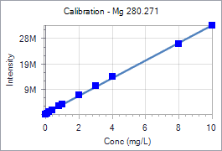
 |  |  |  |  | Cor. Coef:
 | Mg 280.271 |  | Equ: Linear Calculated Intercept |  | 0.999542
 | Sample Id | Corrected Intensity | Entered Conc. | Calculated Cal Unit Conc. | % Residual Error
 | Calib Blank 1 | 0.0 | 0.000 | -0.109 | N/A
 | Calib Std 1 | 401170.6 | 0.100 | 0.006 | -94.10
 | Calib Std 2 | 893359.3 | 0.200 | 0.147 | -26.47
 | Calib Std 3 | 1626090.0 | 0.400 | 0.357 | -10.69
 | Calib Std 4 | 3156415.0 | 0.800 | 0.796 | -0.48
 | Calib Std 5 | 3969565.4 | 1.000 | 1.029 | 2.94
 | Calib Std 6 | 7776479.3 | 2.000 | 2.121 | 6.06
 | Calib Std 7 | 11339408.0 | 3.000 | 3.143 | 4.77
 | Calib Std 8 | 14908974.9 | 4.000 | 4.167 | 4.17
 | Calib Std 9 | 27837556.5 | 8.000 | 7.875 | -1.56
 | Calib Std 10 | 35131615.7 | 10.000 | 9.967 | -0.33

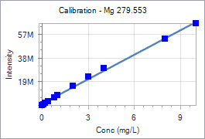
 |  |  |  |  | Cor. Coef:
 | Mg 279.553 |  | Equ: Linear Calculated Intercept |  | 0.998520
 | Sample Id | Corrected Intensity | Entered Conc. | Calculated Cal Unit Conc. | % Residual Error
 | Calib Blank 1 | 0.0 | 0.000 | -0.195 | N/A
 | Calib Std 1 | 885777.1 | 0.100 | -0.066 | -166.10
 | Calib Std 2 | 1963144.3 | 0.200 | 0.090 | -54.93
 | Calib Std 3 | 3515836.5 | 0.400 | 0.315 | -21.18
 | Calib Std 4 | 6779966.8 | 0.800 | 0.789 | -1.42
 | Calib Std 5 | 8450018.9 | 1.000 | 1.031 | 3.08
 | Calib Std 6 | 16551791.5 | 2.000 | 2.206 | 10.28
 | Calib Std 7 | 23919845.3 | 3.000 | 3.274 | 9.13
 | Calib Std 8 | 31118031.9 | 4.000 | 4.318 | 7.95
 | Calib Std 9 | 55949113.5 | 8.000 | 7.919 | -1.02
 | Calib Std 10 | 69059961.6 | 10.000 | 9.820 | -1.80

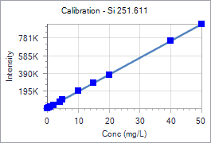
 |  |  |  |  | Cor. Coef:
 | Si 251.611 |  | Equ: Linear Calculated Intercept |  | 0.999995
 | Sample Id | Corrected Intensity | Entered Conc. | Calculated Cal Unit Conc. | % Residual Error
 | Calib Blank 1 | 0.0 | 0.000 | -0.014 | N/A
 | Calib Std 1 | 8885.0 | 0.500 | 0.450 | -9.91
 | Calib Std 2 | 19723.7 | 1.000 | 1.017 | 1.69
 | Calib Std 3 | 37786.9 | 2.000 | 1.961 | -1.95
 | Calib Std 4 | 76062.1 | 4.000 | 3.961 | -0.97
 | Calib Std 5 | 95918.3 | 5.000 | 4.999 | -0.02
 | Calib Std 6 | 194178.1 | 10.000 | 10.134 | 1.34
 | Calib Std 7 | 288204.9 | 15.000 | 15.048 | 0.32
 | Calib Std 8 | 382223.9 | 20.000 | 19.962 | -0.19
 | Calib Std 9 | 765796.0 | 40.000 | 40.009 | 0.02
 | Calib Std 10 | 956430.3 | 50.000 | 49.972 | -0.06

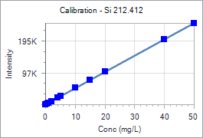
 |  |  |  |  | Cor. Coef:
 | Si 212.412 |  | Equ: Linear Calculated Intercept |  | 0.999990
 | Sample Id | Corrected Intensity | Entered Conc. | Calculated Cal Unit Conc. | % Residual Error
 | Calib Blank 1 | 0.0 | 0.000 | -0.050 | N/A
 | Calib Std 1 | 2520.2 | 0.500 | 0.442 | -11.65
 | Calib Std 2 | 5395.3 | 1.000 | 1.003 | 0.25
 | Calib Std 3 | 10337.1 | 2.000 | 1.966 | -1.68
 | Calib Std 4 | 20725.1 | 4.000 | 3.992 | -0.19
 | Calib Std 5 | 26071.7 | 5.000 | 5.035 | 0.71
 | Calib Std 6 | 51980.1 | 10.000 | 10.089 | 0.89
 | Calib Std 7 | 76748.1 | 15.000 | 14.919 | -0.54
 | Calib Std 8 | 103543.9 | 20.000 | 20.146 | 0.73
 | Calib Std 9 | 205604.7 | 40.000 | 40.052 | 0.13
 | Calib Std 10 | 256124.0 | 50.000 | 49.905 | -0.19

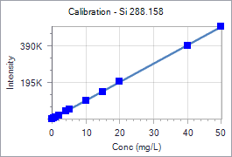
 |  |  |  |  | Cor. Coef:
 | Si 288.158 |  | Equ: Linear Calculated Intercept |  | 0.999971
 | Sample Id | Corrected Intensity | Entered Conc. | Calculated Cal Unit Conc. | % Residual Error
 | Calib Blank 1 | 0.0 | 0.000 | -0.048 | N/A
 | Calib Std 1 | 4902.5 | 0.500 | 0.441 | -11.76
 | Calib Std 2 | 10735.0 | 1.000 | 1.024 | 2.36
 | Calib Std 3 | 20351.2 | 2.000 | 1.984 | -0.81
 | Calib Std 4 | 40786.8 | 4.000 | 4.024 | 0.61
 | Calib Std 5 | 51283.6 | 5.000 | 5.073 | 1.45
 | Calib Std 6 | 101516.7 | 10.000 | 10.089 | 0.89
 | Calib Std 7 | 149013.8 | 15.000 | 14.832 | -1.12
 | Calib Std 8 | 202570.7 | 20.000 | 20.180 | 0.90
 | Calib Std 9 | 398567.6 | 40.000 | 39.751 | -0.62
 | Calib Std 10 | 502723.9 | 50.000 | 50.152 | 0.30

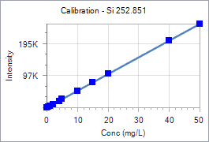
 |  |  |  |  | Cor. Coef:
 | Si 252.851 |  | Equ: Linear Calculated Intercept |  | 0.999990
 | Sample Id | Corrected Intensity | Entered Conc. | Calculated Cal Unit Conc. | % Residual Error
 | Calib Blank 1 | 0.0 | 0.000 | -0.001 | N/A
 | Calib Std 1 | 2346.9 | 0.500 | 0.449 | -10.24
 | Calib Std 2 | 5300.6 | 1.000 | 1.015 | 1.49
 | Calib Std 3 | 10256.7 | 2.000 | 1.965 | -1.75
 | Calib Std 4 | 20694.6 | 4.000 | 3.966 | -0.86
 | Calib Std 5 | 26286.1 | 5.000 | 5.037 | 0.75
 | Calib Std 6 | 52702.0 | 10.000 | 10.101 | 1.01
 | Calib Std 7 | 77592.7 | 15.000 | 14.871 | -0.86
 | Calib Std 8 | 105096.3 | 20.000 | 20.143 | 0.72
 | Calib Std 9 | 208497.9 | 40.000 | 39.963 | -0.09
 | Calib Std 10 | 260822.6 | 50.000 | 49.992 | -0.02

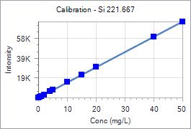
 |  |  |  |  | Cor. Coef:
 | Si 221.667 |  | Equ: Linear Calculated Intercept |  | 0.999980
 | Sample Id | Corrected Intensity | Entered Conc. | Calculated Cal Unit Conc. | % Residual Error
 | Calib Blank 1 | 0.0 | 0.000 | -0.109 | N/A
 | Calib Std 1 | 745.1 | 0.500 | 0.376 | -24.78
 | Calib Std 2 | 1623.6 | 1.000 | 0.948 | -5.20
 | Calib Std 3 | 3162.9 | 2.000 | 1.950 | -2.49
 | Calib Std 4 | 6316.4 | 4.000 | 4.003 | 0.08
 | Calib Std 5 | 7944.2 | 5.000 | 5.063 | 1.26
 | Calib Std 6 | 15765.2 | 10.000 | 10.155 | 1.55
 | Calib Std 7 | 23277.2 | 15.000 | 15.045 | 0.30
 | Calib Std 8 | 31182.2 | 20.000 | 20.192 | 0.96
 | Calib Std 9 | 61609.3 | 40.000 | 40.001 | 0.00
 | Calib Std 10 | 76777.0 | 50.000 | 49.876 | -0.25

